Bug report
Bug name: | non-existent address
Description: | in box where is information with required personal info and addrres,when enter non - existent address, the site don’t recognize that address is non existent, and you can register although the addrres non-existent

Steps to reproduce: | Open browser
 | Go to site automationpractice.com
 | Click on Sign in
 | In left page in box create an account in field email enter valid emali addrress
 | click create an account
 | Opened new page with box personal information and address information, and in box address information field address enter "moze sta hoces"
 | Fill other required field
 | Click on register
 | You are on my profile page

Expected result: | Address is non-exsisting

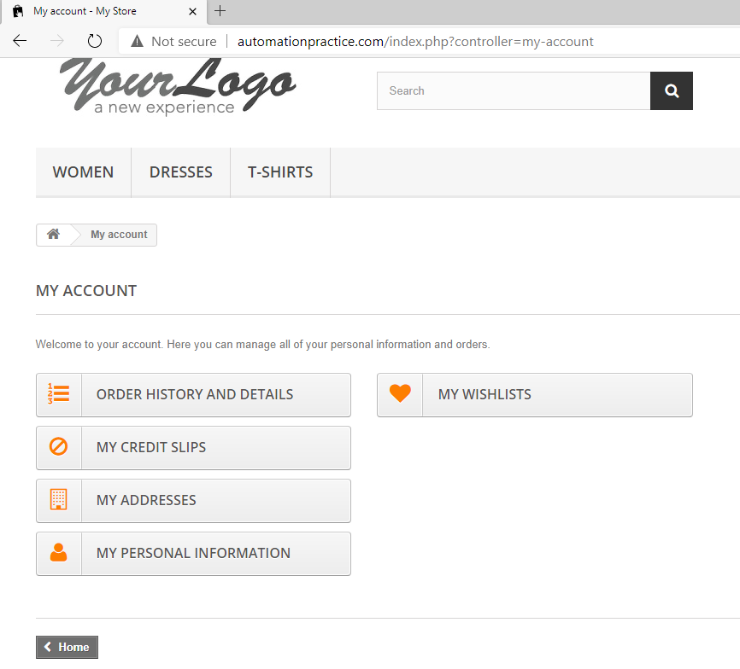
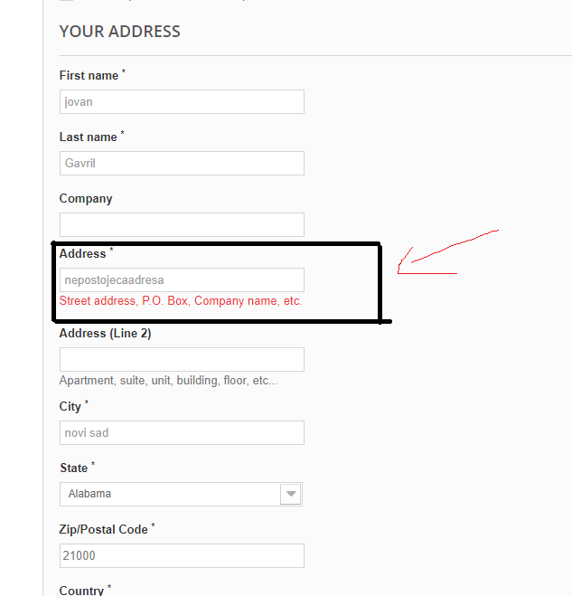
Actual result: | Adrress is valid, and you can register
Screenshot:

Repro rate | 50%

Priority | 60%
Severity | 80%

